coal retirement
 | coal power plant retirement schedule |  |  |  |  |  |  |  |  |  |  |  |  |  |  |  |  |  |  |  |  |  |  |  |  |  |  | interpolated (2046 to 2050)
year | 2019 | 2020 | 2021 | 2022 | 2023 | 2024 | 2025 | 2026 | 2027 | 2028 | 2029 | 2030 | 2031 | 2032 | 2033 | 2034 | 2035 | 2036 | 2037 | 2038 | 2039 | 2040 | 2041 | 2042 | 2043 | 2044 | 2045 | 2046 | 2047 | 2048 | 2049 | 2050 | 2051 | 2052 | 2053 | 2054 | 2055
capacity (MW) | 0 | 0 | 0 | 0 | 0 | 0 | 1.1 | 0 | 0 | 0 | 0 | 1 | 0 | 0 | 0 | 0 | 0 | 0 | 0 | 0 | 0 | 10 | 0 | 0 | 0 | 0 | 24 | 22.1 | 20.2 | 18.3 | 16.4 | 14.5 | 12.6 | 10.7 | 8.8 | 6.9 | 5

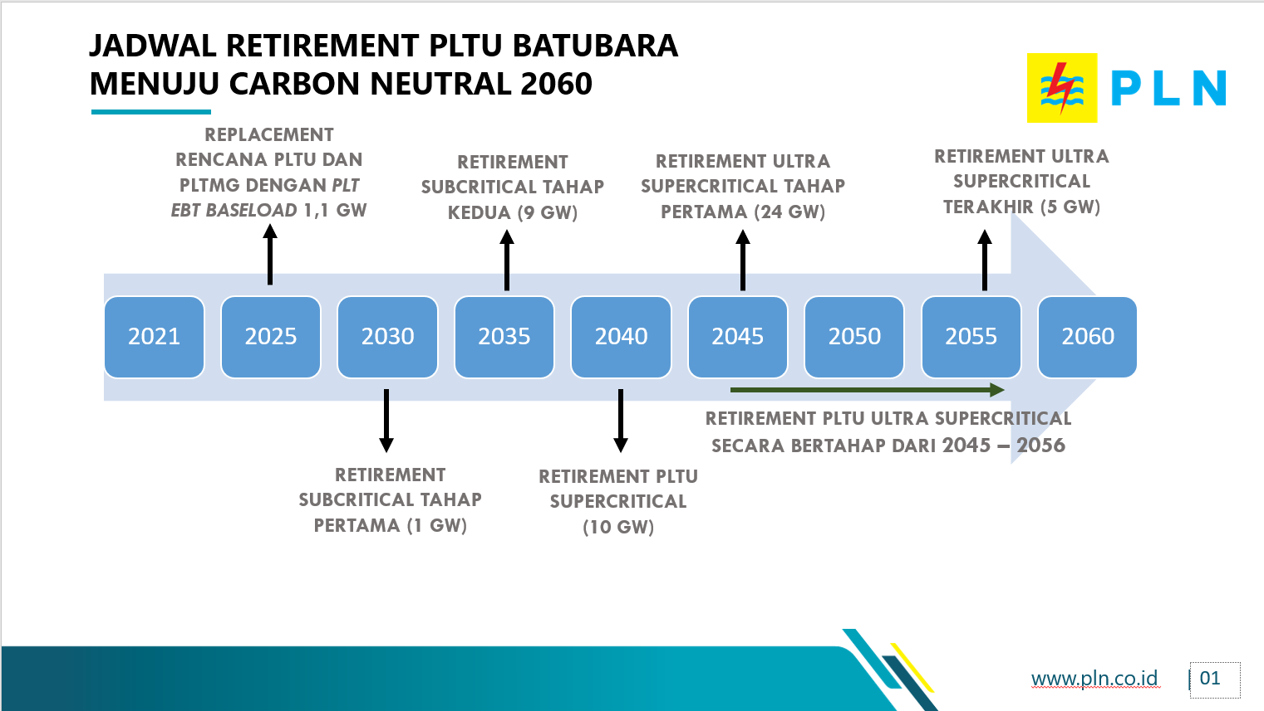
 |  |  |  |  |  |  |  |  |  |  |  |  |  |  |  |  |  |  |  |  |  |  |  |  |  |  | known:
 |  |  |  |  |  |  |  |  |  |  |  |  |  |  |  |  |  |  |  |  |  |  |  |  |  |  | 2045 | 2055
 |  |  |  |  |  |  |  |  |  |  |  |  |  |  |  |  |  |  |  |  |  |  |  |  |  |  | 24 | 5

